Cover


Big Picture
Waste & Recycling Report

Kangan Institute
Oct-Dec 2017
Dean Williamson
Account Manager:
Date:

Snapshot
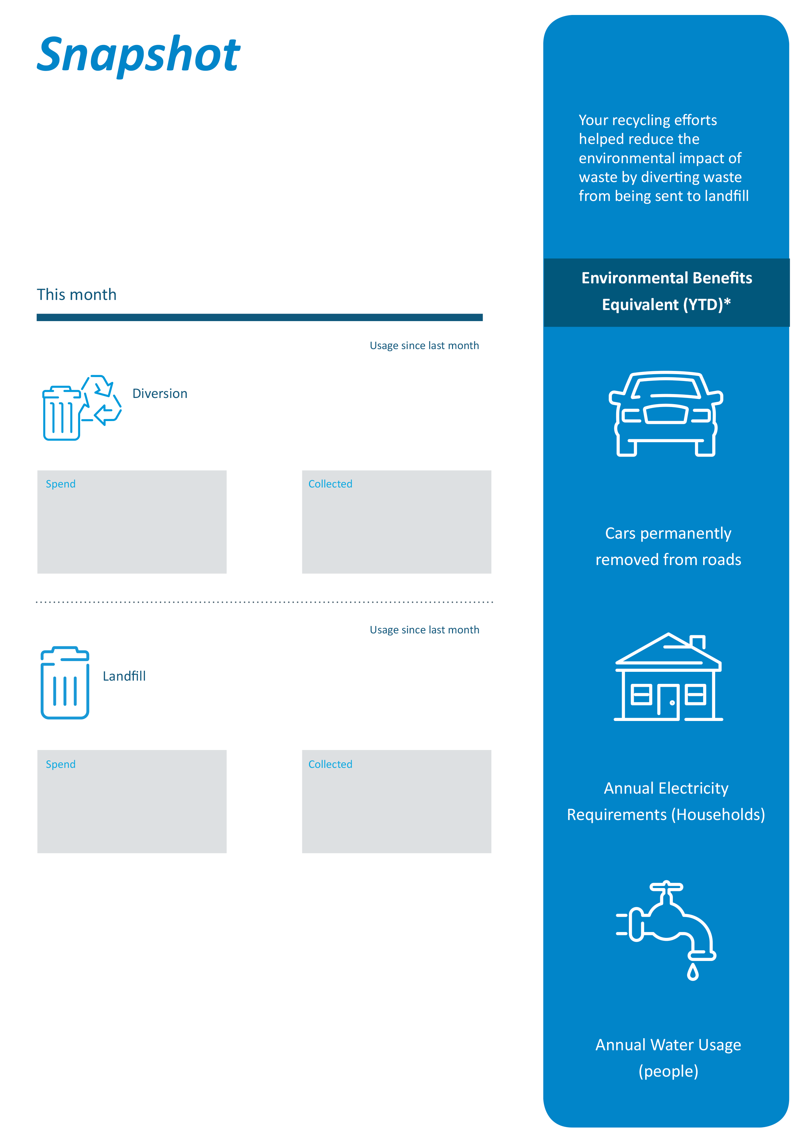

This snapshot provides you with a quick reference on the key waste and diversion milestones your organisation has achieved since your last reporting period. The Environmental Benefits Equivalent calculations have been based on the best available data and should only be used for benchmarking purposes only.

The assumptions and estimates used to compile the Environment Benefits Equivalent calculations have been sourced from The Australian Recycling Sector Report 2012 which was produced by the Department of Sustainability, Environment, Water, Population and Communities. Cleanaway does not warrant the truth or accuracy of the information sourced from this external report. In cases where customer specific data is unavailable, estimates on the breakup of recyclable materials have been used.
* The Environment Benefits Equivalent figures do not include liquid and hazardous waste streams and only includes solid recycling material.
Factors used:
Cars removed - each car removed is equivalent to 5.1 tonnes of CO² eq per year.
Electricity savings - annual household electricity requirements is equal to 6000 kWh/year.
Water savings - each persons annual usage is equivalent to 256.25 litres of water per day.

YTD Summary
Waste Management Summary
Oct-Dec 2017
Tonnage Summary By Waste Stream
Month | Tonnage Collected
 | Harvest | Liquid | Comingle Recycling | White Paper Recycling | General Waste | Document Destruction | DIVERSION | LANDFILL | TOTAL
Oct-Dec 2015 | 2.61 | 6.80 | 1.41 | 2.64 | 44.55 | 2.64 | 16.10 | 44.55 | 60.65
Jan-Mar 2016 | 1.90 | 3.80 | 1.18 | 1.76 | 41.37 | 3.52 | 12.16 | 41.37 | 53.53
Apr-Jun 2016 | 4.71 | 16.00 | 1.00 | 3.28 | 61.78 | 2.64 | 27.63 | 61.78 | 89.41
Jul-Sep 2016 | 1.57 | 3.80 | 0.69 | 0.25 | 60.34 | 2.64 | 8.95 | 60.34 | 69.29
Oct-Dec 2016 | 3.62 | 16.65 | 0.59 | 0.24 | 55.79 | 2.64 | 23.74 | 55.79 | 79.54
Jan-Mar 2017 | 4.39 | 6.20 | 0.80 | 0.10 | 58.08 | 3.76 | 15.25 | 58.08 | 73.33
Apr-Jun 2017 | 4.29 | 5.20 | 0.98 | 0.24 | 62.17 | 2.88 | 13.59 | 62.17 | 75.76
Jul-Sep 2017 | 3.03 | 8.40 | 0.88 | 0.21 | 68.64 | 2.88 | 15.40 | 68.63 | 84.04
Oct-Dec 2017 | 2.85 | 8.70 | 0.41 | 0.20 | 45.34 | 2.88 | 15.04 | 45.34 | 60.37
Jan-Mar 2018 | 0.00 | 0.00 | 0.00 | 0.00 | 0.00 | 0.00 | 0.00 | 0.00 | 0.00
Apr-Jun 2018 | 0.00 | 0.00 | 0.00 | 0.00 | 0.00 | 0.00 | 0.00 | 0.00 | 0.00
Oct-Dec 2018 | 0.00 | 0.00 | 0.00 | 0.00 | 0.00 | 0.00 | 0.00 | 0.00 | 0.00
Quarterly Avg | 3.22 | 8.39 | 0.88 | 0.99 | 55.34 | 2.94 | 16.43 | 55.34 | 71.77

TONNAGE Comparison

Quarterly Summary Data
Quarterly Waste Management Summary
Oct-Dec 2017
KANGAN Monthly Waste Management Summary

Monthly Waste TONNAGE by Waste Stream
Waste Stream | Weight (tonnes)
Harvest | 2.85
Liquid | 8.70
Comingle Recycling | 0.41
White Paper Recycling | 0.20
General Waste | 45.34
Document Destruction | 2.88
 | 0.00
MONTHLY TOTAL | 60.37

Back Cover


Disclaimer
This report is prepared by Cleanaway Waste Management Ltd (“Cleanaway”) solely for the purpose of providing information on waste statistics and may not be relied on for any other purpose. While Cleanaway has used reasonable efforts to present information which is accurate and free of errors, Cleanaway makes no representations and gives no warranties (whether express or implied) as to the completeness, accuracy or currency of the information contained in this report to any person. The report is subject to the limitations, assumptions and qualifications referred to in it.
This report and the data expressed in it may not be communicated to, used, adopted, modified or relied upon for any purpose whatsoever by any person other than as agreed in writing by Cleanaway. Cleanaway does not assume any liability for any loss or damage suffered by any person as a result of the report being used in a contrary manner or being used for an unintended purpose.
This report is commercially sensitive, confidential and is the property of Cleanaway. With the exception of information provided by external sources, Cleanaway retains all applicable intellectual property rights which arise from the creation of report.

